BugReports
Issue #0 (Interoperability)
Attribute | Value
Summary | [netcracker.com][blog] Actions 'Share' and 'Add to Calendar' for the Event are not performed - redirecting back to the main page.
Description | Steps to reproduce: 1. Open https://www.netcracker.com/ 2. Click 'BLOG' on the Header navigation menu 3. Scroll down to the Events block 4. Click 'Share' OR 'Add to calendar' ER: External service for sharing event OR Google Calendar for planing event should open. AR: It redirects back to the main page.
URL to reproduce | https://www.netcracker.com/blog/ | Blocker | Critical | Major | Normal | Low
Browser (name and version) | Microsoft Edge Version 90.0.818.42 (Official build) (64-bit) | 0 | 1 | 3 | 4 | 2
Web server (name and version) | nginx
Severity | Normal
Attachments | 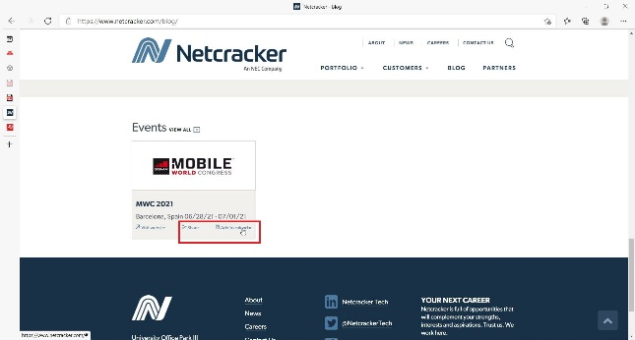 BugsBox.zip/BugsBox/ Issue_#0_screenshot.jpg Issue_#0_video.mp4 Issue_#0_log.txt
 |  |  | Interoperability | UI | Functionality
Issue #1 (UI) |  |  | 1 | 3 | 6
Attribute | Value
Summary | [dell.com][latest-intel-processors] Description of the text block 'Explore the Intel PC Advisor' overlaps the image.
Description | Steps to reproduce: 1. Open https://www.dell.com/en-us 2. Hover 'Products' on the Top Navigation Menu 3. Hover 'Laptops' on the drop-down menu 4. Click 'For Home' 5. Click 'Compare' Intel® Core™ Processors on the Header 6. Scroll down to the Explore the Intel PC Advisor block ER: Text should be in frames of it's block and be placed near the image without overlaping. AR: Description of the text block 'Explore the Intel PC Advisor' overlaps the image.
URL to reproduce | https://www.dell.com/en-us/shop/latest-intel-processors/cp/latest-intel-processors
Browser (name and version) | Microsoft Edge Version 90.0.818.42 (Official build) (64-bit)
Web server (name and version) | Microsoft-IIS/8.5
Severity | Low
Attachments | 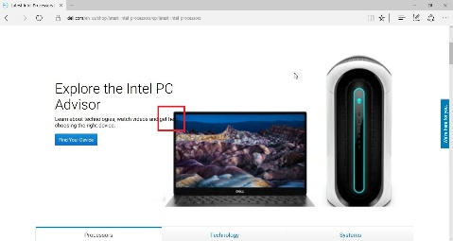 BugsBox.zip/BugsBox/ Issue_#1_screenshot.jpg

Issue #2 (Functionality)
Attribute | Value
Summary | [statefarm.com][Savings Calculator] The page with error message 'Invalid Request' opens on opening savings calculator
Description | Steps to reproduce: 1. Open https://www.statefarm.com/ 2. Click 'Investments' on Header Navigation Menu 3. Click 'Saving for College' on drop-down menu in Educational Savings block 4. Scroll down to paragraph What will you need to achieve your education savings goal? 5. Click 'Use this calculator' in this paragraph ER: Savings Calculator should open to calculate educational savings AR: The page with error message 'Invalid Request' opens
URL to reproduce | https://calculators.statefarm.com/response/lf-statefarm/calc/savings04
Browser (name and version) | Microsoft Edge Version 90.0.818.42 (Official build) (64-bit)
Web server (name and version) | ECD (nya/78BB)
Severity | Critical
Attachments |  BugsBox.zip/BugsBox/ Issue_#2_screenshot.jpg Issue_#2_video.mp4 Issue_#2_log.txt

Issue #3 (Functionality)
Attribute | Value
Summary | [statefarm.com][Prices and Performance] Unable to open Important Account Information item. Error page opens.
Description | Steps to reproduce: 1. Open https://www.statefarm.com/ 2. Click 'Investments' on header navigation menu 3. Click 'State Farm® 529 Savings Plan' in Educational Savings block 4. Click 'Prices and Performance' in Important Account Information block ER: Prices and Performance data page of Important Account Information block should open. AR: Prices and Performance data page does not open. Message with error appears: It looks like the webpage at https://statefarm529.com/sfatpl/fund/pricePerformanceAdv.cs might be having issues, or it may have moved permanently to a new web address. ERR_TUNNEL_CONNECTION_FAILED
URL to reproduce | https://statefarm529.com/sfatpl/fund/pricePerformanceAdv.cs
Browser (name and version) | Microsoft Edge Version 90.0.818.42 (Official build) (64-bit)
Web server (name and version) | ECD (nya/78BB)
Severity | Major
Attachments | 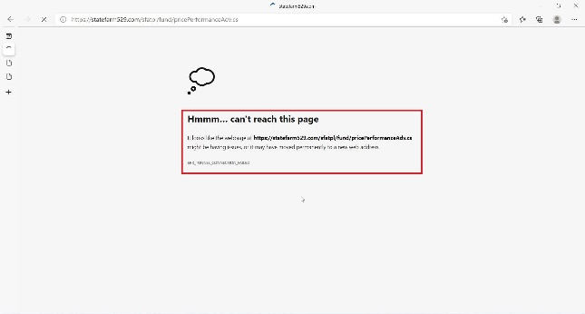 BugsBox.zip/BugsBox/ Issue_#3_screenshot.jpg Issue_#3_video.mp4 Issue_#3_log.txt

Issue #4 (Functionality)
Attribute | Value
Summary | [statefarm.com][Find an Agent] Search results by Language don't match.
Description | Steps to reproduce: 1. Open https://www.statefarm.com/ 2. Click Find an Agent on the header navigation menu 3. Enter ZIP code in the ZIP Code searching field 4. Click Find an Agent button 5. Click Advanced Search Options below the searching form 6. Click the field Language 7. Type French 8. Click Search button ER: Agents who speak French language should be shown AR: All agents with different languages are shown without filtration.
URL to reproduce | https://www.statefarm.com/agent/?zipCode=83544
Browser (name and version) | Microsoft Edge Version 90.0.818.42 (Official build) (64-bit)
Web server (name and version) | ECD (nya/78BB)
Severity | Normal
Attachments | 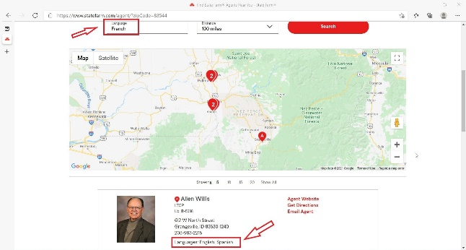 BugsBox.zip/BugsBox/ Issue_#4_screenshot.jpg Issue_#4_video.mp4 Issue_#4_log.txt

Issue #5 (UI)
Attribute | Value
Summary | [toysrus.com][Header] Text title of the page overlaps the image on Header in portrate phone orientation
Description | Steps to reproduce: 1. Open https://www.toysrus.com/ 2. Tap Hamburger Menu on Header 3. Tap 'shop toys by brand' 4. Tap 'Disney' 5. Tap 'Disney Junior' 6. Rotate phone to portrait orientation ER: Text should be in frames of it's block and be placed near the image without overlaping. AR: Text title of the page overlaps the image on Header
URL to reproduce | https://www.toysrus.com/shop-toys-by-brand/disney/disney-junior/
Browser (name and version) | Android 8.0, Samsung Internet 13.2.3.2
Web server (name and version) | cloudflare
Severity | Normal
Attachments | BugsBox.zip/BugsBox/ Issue_#5_screenshot.jpg Issue_#5_video.mp4

Issue #6 (UI)
Attribute | Value
Summary | [toysrus.com][Footer] Menu text lines overlaps on Footer in landscape phone orientation
Description | Steps to reproduce: 1. Open https://www.toysrus.com/ 2. Rotate phone to landscape orientation 3. Scroll down to Footer ER: Footer Menu should display correctly. Menu text lines should have spacing between. AR: Menu text lines overlaps on Footer
URL to reproduce | https://www.toysrus.com/
Browser (name and version) | Android 8.0, Samsung Internet 13.2.3.2
Web server (name and version) | cloudflare
Severity | Low
Attachments | 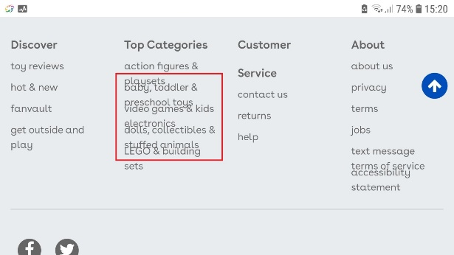 BugsBox.zip/BugsBox/ Issue_#6_screenshot.jpg Issue_#6_video.mp4

Issue #7 (Functionality)
Attribute | Value
Summary | [nasdaq.com][Nasdaq Indices] Nasdaq Indices overlaps on main page and are not readable.
Description | Steps to reproduce: 1. Open https://www.nasdaq.com/ 2. Scroll down to Nasdaq indices ER: Nasdaq Indeces should be shown on the main page. AR: Nasdaq Indices overlaps and are not readable.
URL to reproduce | https://www.nasdaq.com/
Browser (name and version) | iPhone 4S, iOS 9.3.5, Safari
Web server (name and version) | nginx
Severity | Major
Attachments | 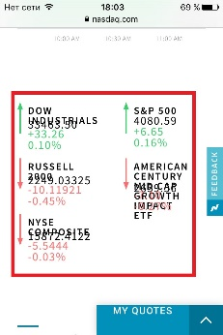 BugsBox.zip/BugsBox/ Issue_#7_screenshot.jpg

Issue #8 (Functionality)
Attribute | Value
Summary | [dell.com][Financing] 'See Financing Offers' button redirects to the same page.
Description | Steps to reproduce: 1. Open https://www.dell.com/en-us 2. Hover 'Financing' on the Top Navigation Menu 3. Hover 'For Home Purchases' on the drop-down menu 4. Click 'Learn about Financing' 5. Scroll down to the Promotional Offers block 6. Click 'See Financing Offers' button ER: Financing Offers page should be opened. AR: User stays at the same page. Button click redirects to the same page.
URL to reproduce | https://www.dell.com/en-us/lp/dell-financing-details?~ck=mn
Browser (name and version) | Microsoft Edge Version 90.0.818.42 (Official build) (64-bit)
Web server (name and version) | Microsoft-IIS/8.5
Severity | Normal
Attachments | 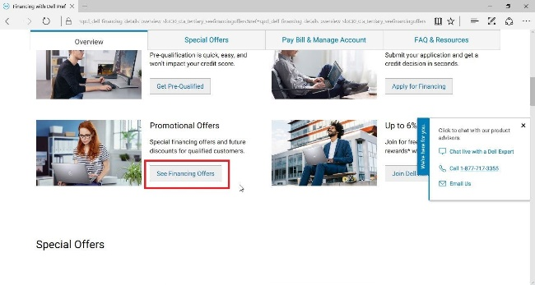 BugsBox.zip/BugsBox/ Issue_#8_screenshot.jpg

Issue #9 (Functionality)
Attribute | Value
Summary | [statefarm.com][Search] Searching request on the main page is endless.
Description | Steps to reproduce: 1. Open https://www.statefarm.com/ 2. Click 'Search' on the Header 3. Enter any searching request (e.g. pet isurance) ER: Results for searching request should be shown AR: Searching request is endless.
URL to reproduce | https://www.statefarm.com/
Browser (name and version) | Microsoft Edge Version 90.0.818.42 (Official build) (64-bit)
Web server (name and version) | ECD (nya/78BB)
Severity | Major
Attachments | 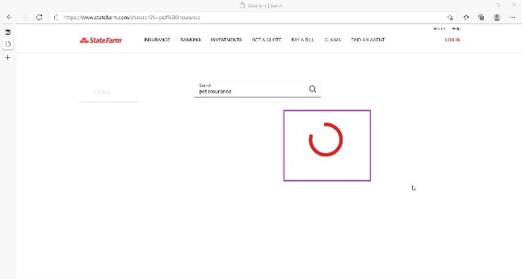 BugsBox.zip/BugsBox/ Issue_#9_screenshot.jpg Issue_#9_video.mp4

